MongoDB Instalation
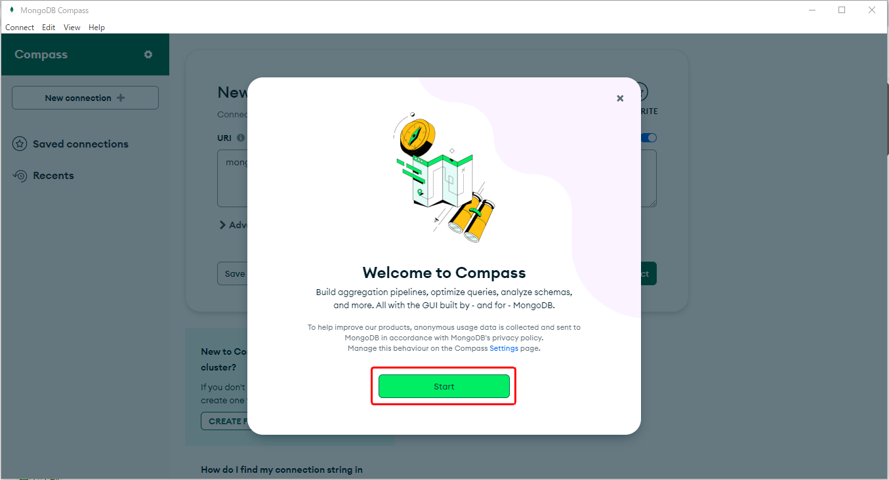
MongoDB Instalation

 | Step 1 : | Open to below url in your browser.
 |  |  | https://www.mongodb.com/
 |  | And Open to Resources → Server Documentation
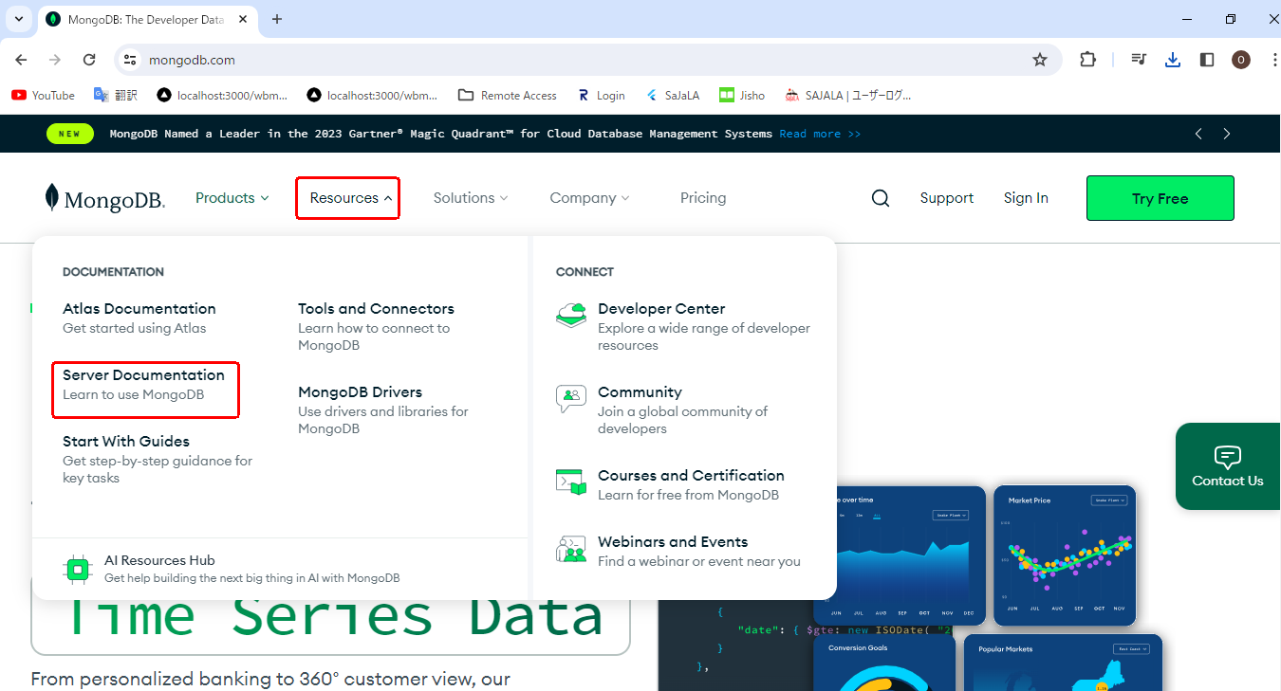

 | Step 2 : | Click to Insatallation,
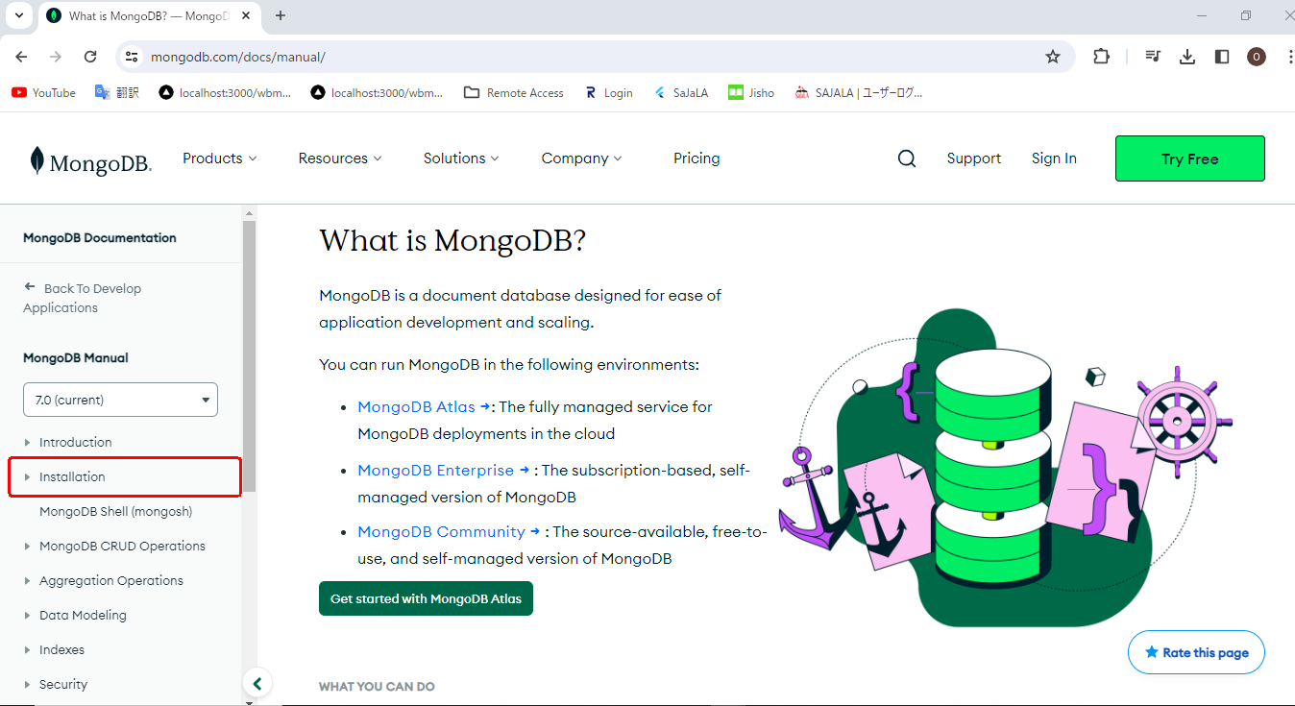

 | step 3 : | Scroll Down and And Click to your sytem based version Install Mongo Db.
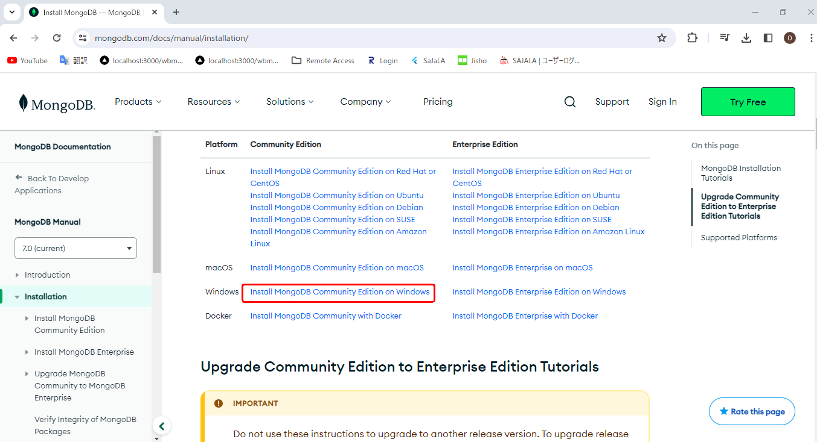

 | step 4 : | scroll Down and Click to MongoDB Download Center
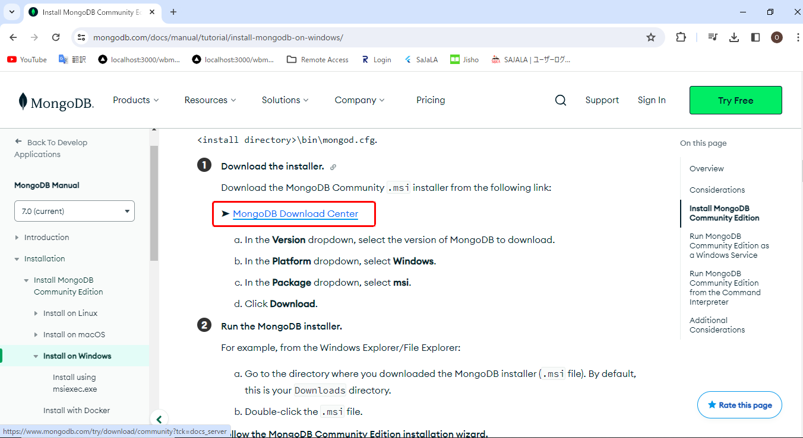

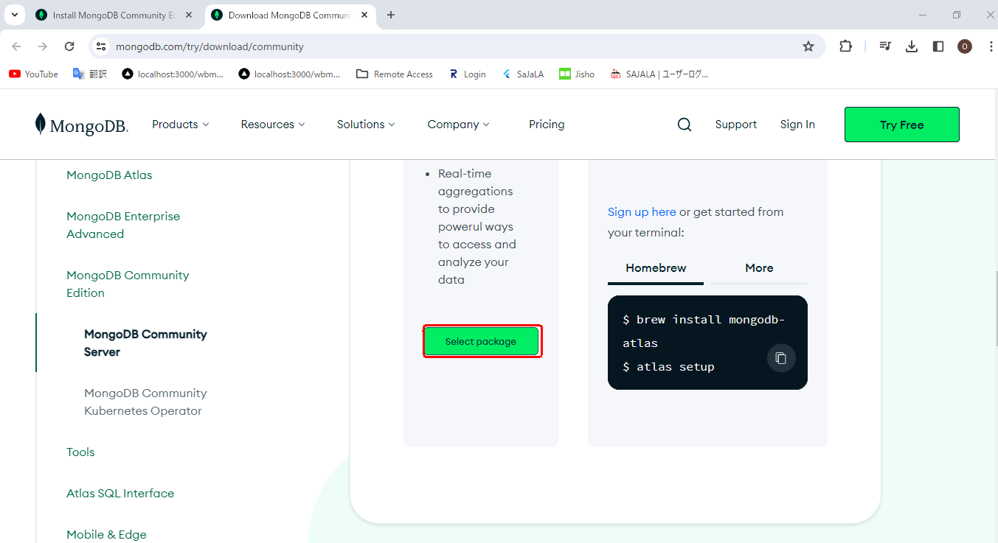
 | step 5 : | Click To Select Package.

 | step 6 : | Select Latest Version on this below page then press download button.
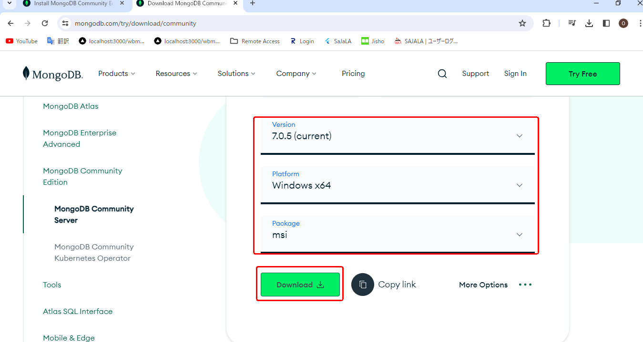

 | step 7 : | You can view the downloaded copy in your download file in your browser.

 | step 8 : | Open to dowload file location and click to open extract file.Then,follow to the below Steps
 |  | MongoDB Compass can be installed while the DB tool is downloaded.
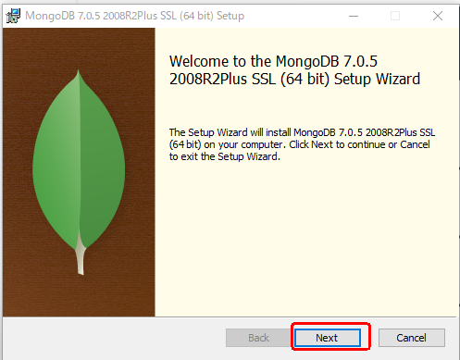

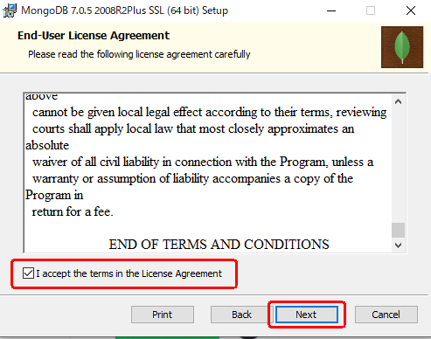

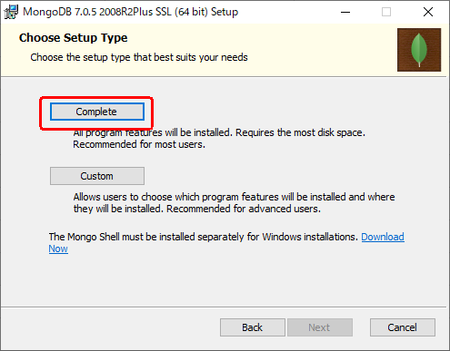

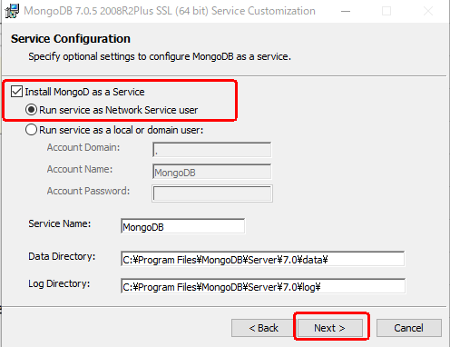

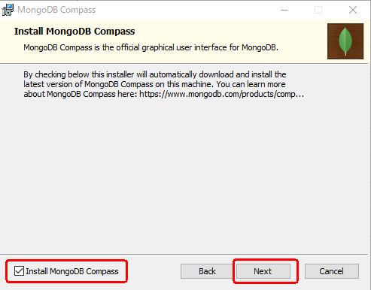

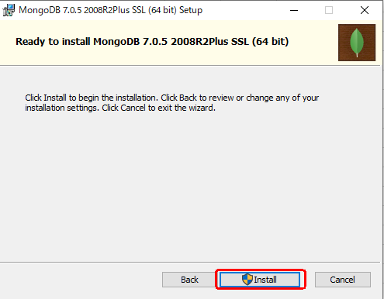

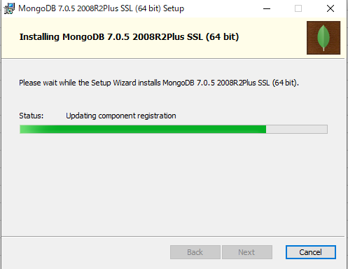

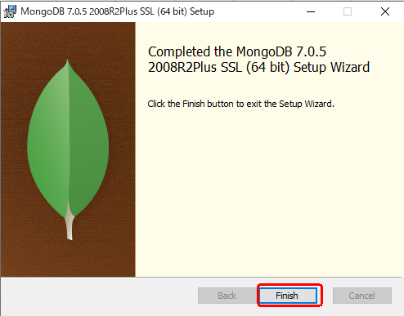

 | step 9 : | while installation process processed you can seen opened mongoDB compass .

Mongoshell Instalation
Mongoshell Instalation
 | Step 1 : | Open to below url in your browser.
 |  |  | https://www.mongodb.com/
 |  | And Open to Resources → Server Documentation

 | Step 2 : | Click to InsatallMongoDB Shell(mongoesh)
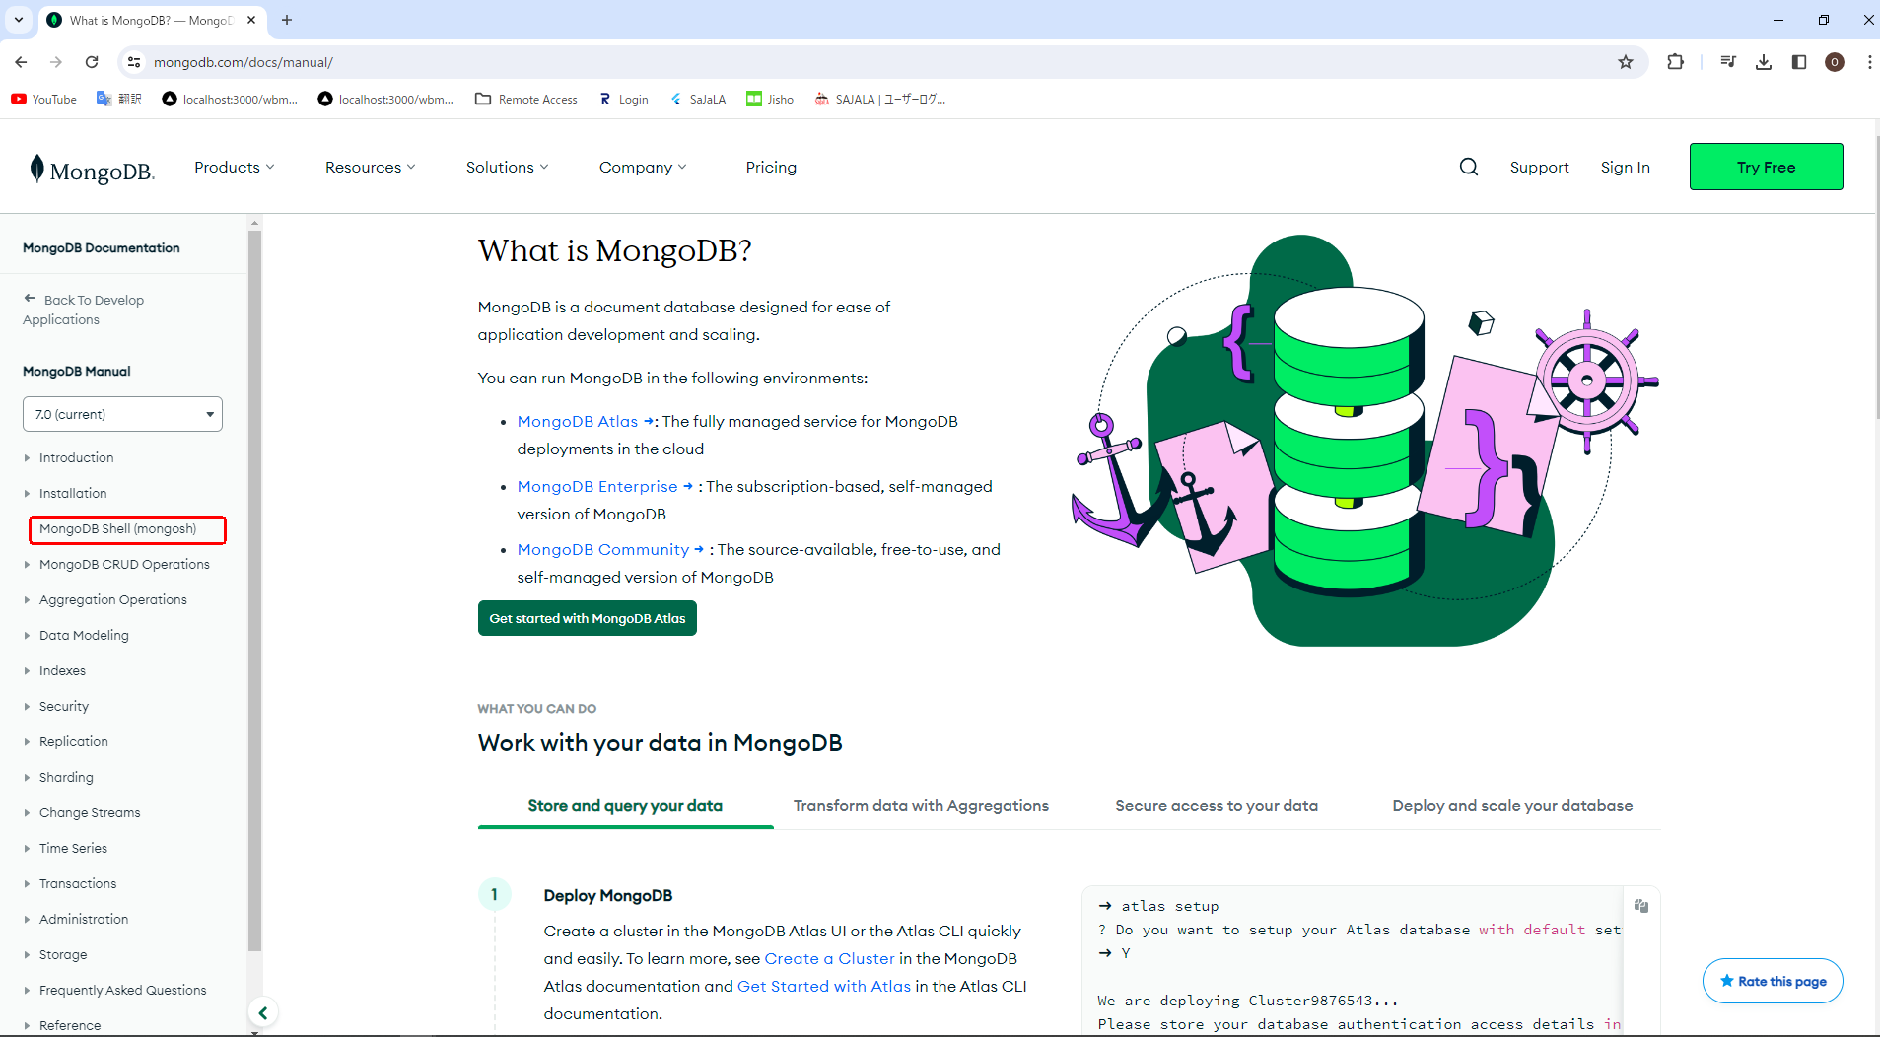

 | step 3 : | Click To Download mongoesh

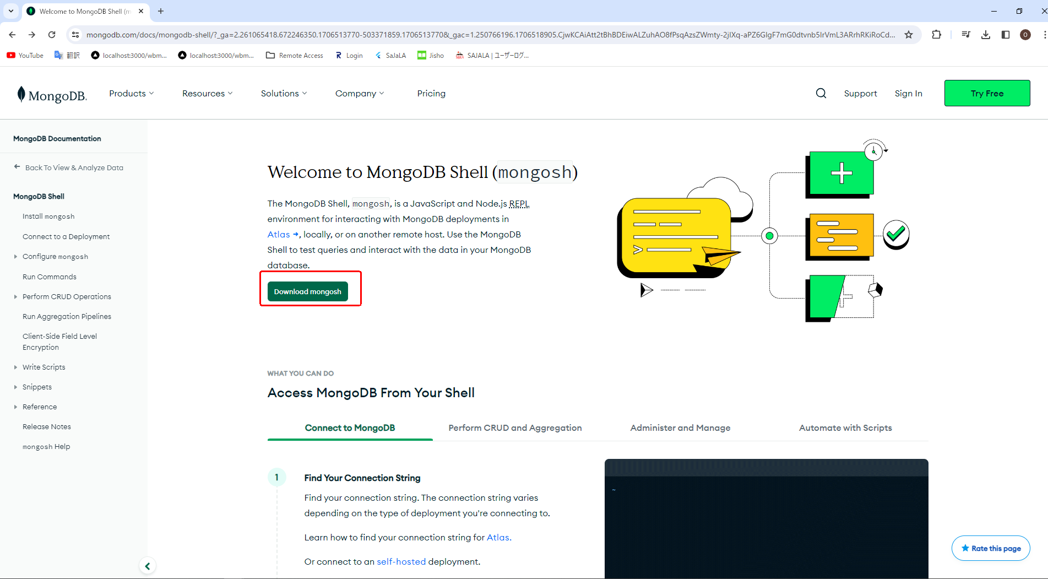

 | step 4 : | Select Latest Version on this below page then press download button.
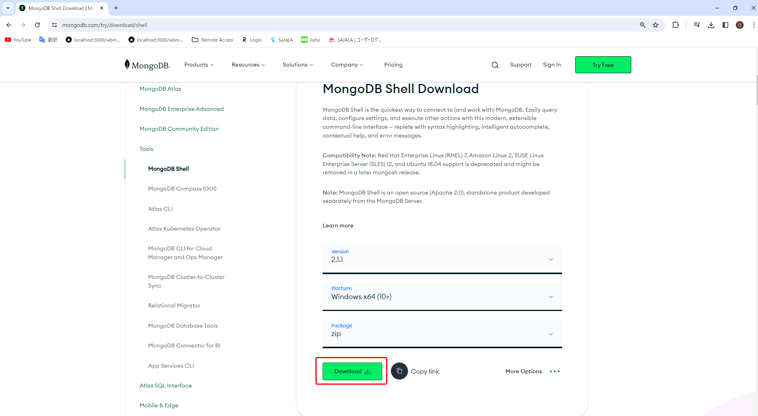

 | step 5 : | Select to Open Downlaod File Location to check Zip file now.
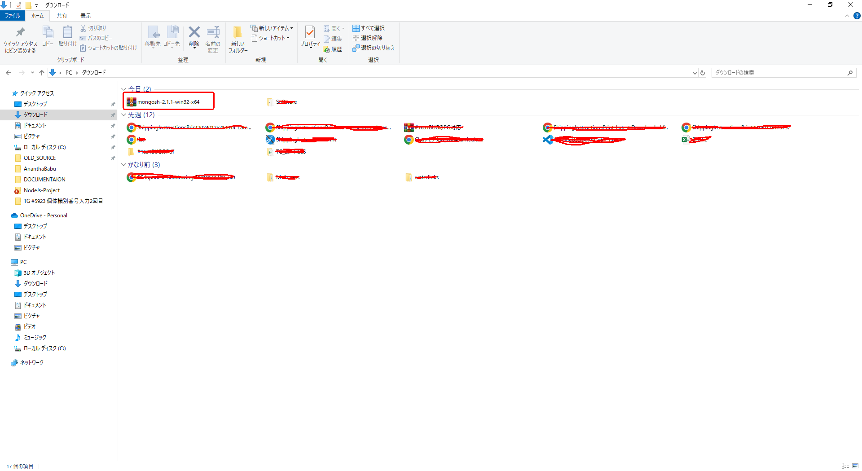

 | step 6 :
 |  | Extract to this zip file location on Downloaded mongoDB location a be like to create Sheel and extract inside this file .

Set Environment Veriable PATH
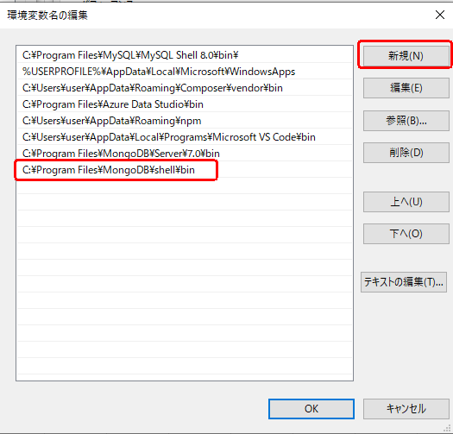
Set Environment Veriable PATH

 | step 1 : | Open to Your MongoDB location in your system And copy lication to bin file.
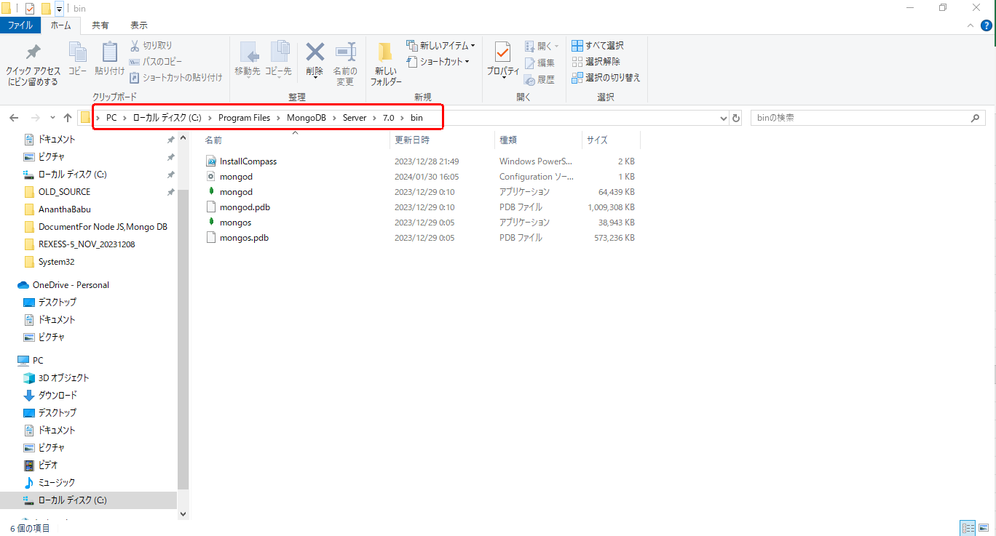

 | step 2 : | Press WIN+R Key and type on below contant:
 |  |  | sysdm.cpl
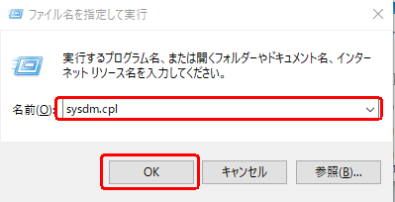

 | step 3 : | Follow to te below steps
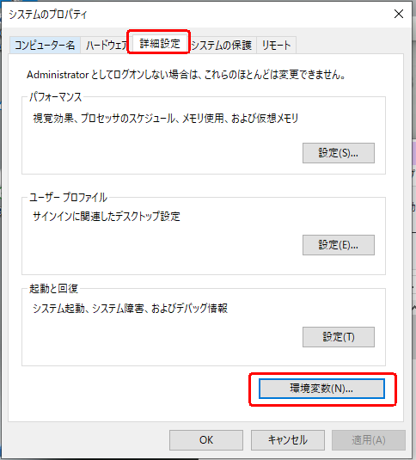

 | step 4 : | Double click on path folder:
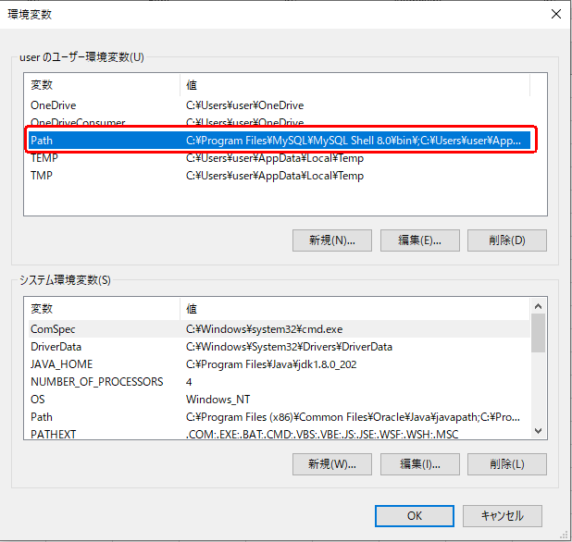

 | step 5 : | Click to New and Paste For mongo DB copy location.
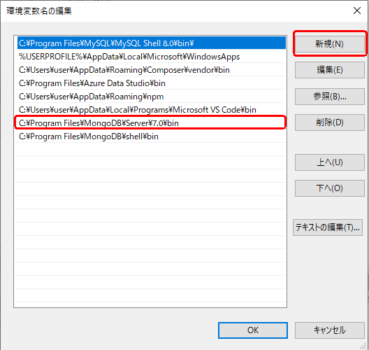

 | step 6 : | Add the copy shell location to the path as well.
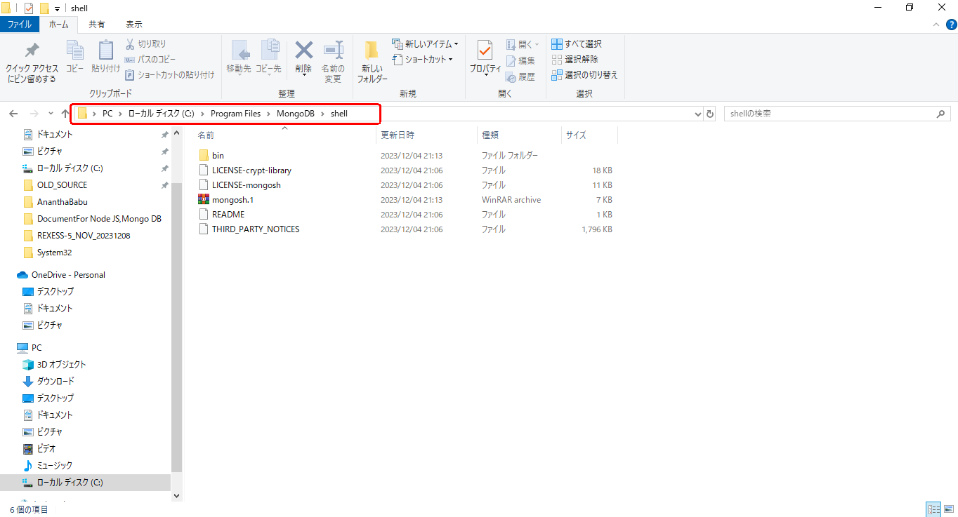

 | step 7 : | Press WIN+R Key and type on below contant:
 |  |  | sysdm.cpl

 | step 8 : | Follow to te below steps

 | step 9 : | Double click on path folder:

 | step 10 : | Click to New and Paste For mongo DB copy location.

CRUD operations
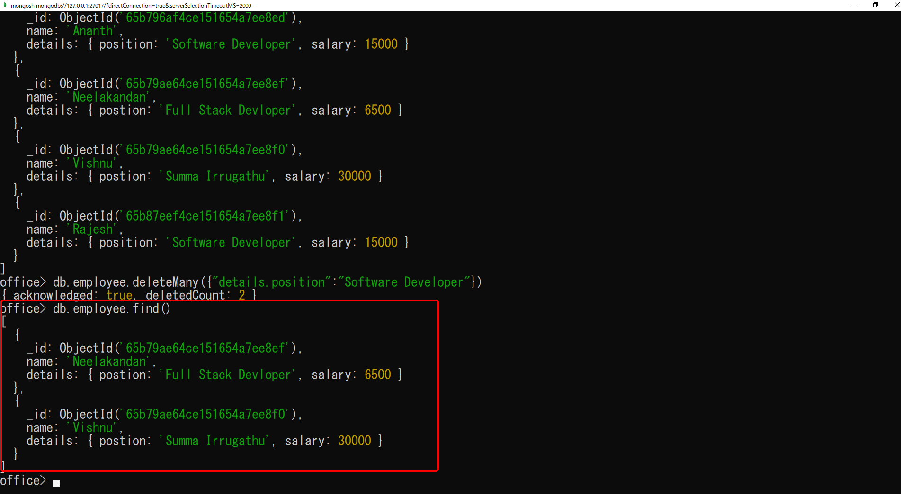
CRUD operations
 | show dbs
 |  | Show on DB details to get in DB

 | use <database Name>
 |  | use after declare any name are consider to a database in mongoshell
 |  | For Example:
 |  |  | use shop
 |  |  | use is a keyword and shop is a database name
 |  |  | If the Database is not in DB they can created to automaaticly in Run onthis command
 |  |  | A collection is created in MongoDB after you insert the document.


 |  |  |  | This command ,It will being to start generate a new database ,if you can decalre field after it will be store in database
 |  |  |  | You can enter collection and Enter Collection Data After that DB will be created in MongoDB
 | Create Operation
 |  |  | db.collection.insertOne()
 |  |  | db.collection.insertMany()

 |  | db.collection.insertOne()
 |  |  | db.employee.insertOne({name:"Ananth",details:{position:"Software Developer",salary:11250}})
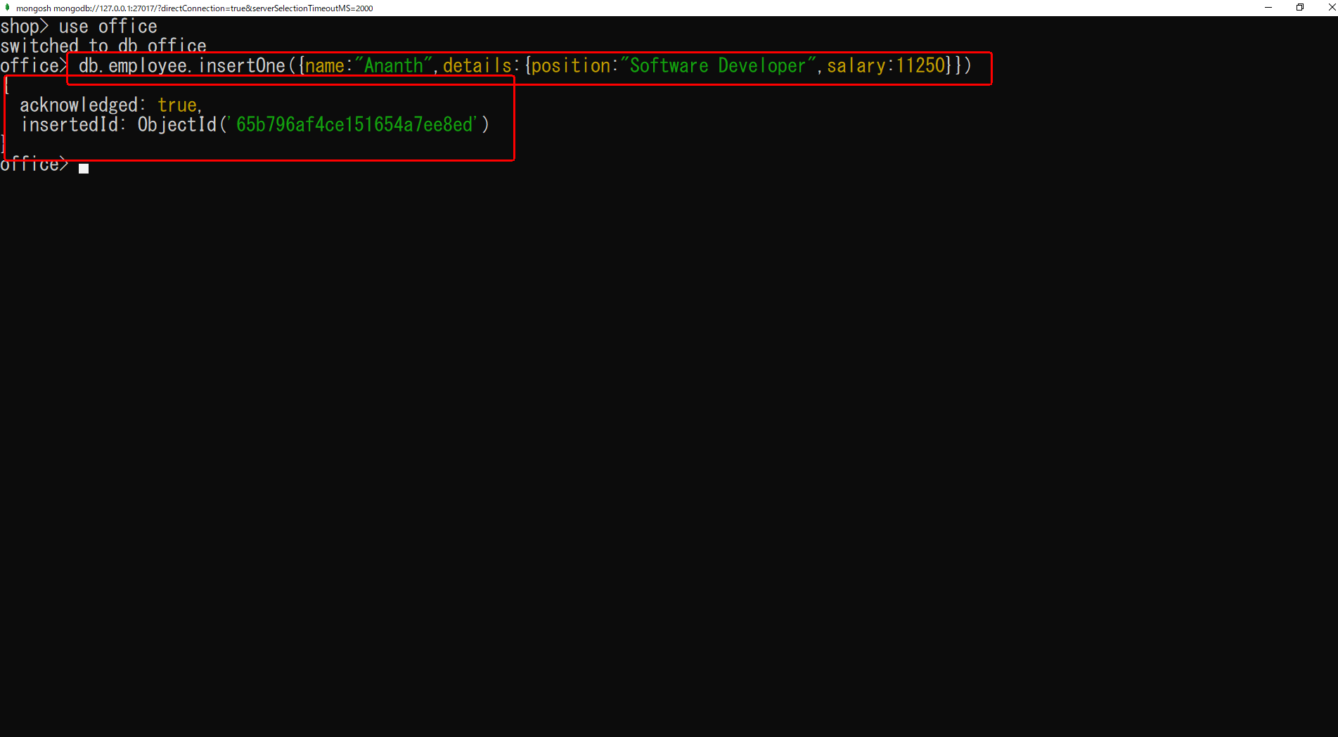

 |  |  |  | acknowledgement:true
 |  |  |  |  | It's Show on execution process.
 |  |  |  |  | If this value is true that will generate a quer in proper to inserted Data
 |  |  |  |  | In Case result is false that error ather in process
 |  |  |  | insertedId: ObjectId('65b796af4ce151654a7ee8ed')
 |  |  |  |  | insertedId it will be generated in default unique id for inserted data

 |  | db.collection.insertMany()
 |  |  | That type will be execute to insert multipule data in single Command.
 |  |  | For Example:
 |  |  |  | office> db.employee.insertMany([ |  | press Enter
 |  |  |  | ... {name:"Aakesh",details:{postion:"Saoftware Devloper",salary:6000}}, |  |  | press Enter
 |  |  |  | ... {name:"Neelakandan",details:{postion:"Full Stack Devloper",salary:6500}}, |  |  |  | press Enter
 |  |  |  | ... {name:"Vishnu",details:{postion:"Summa Irrugathu",salary:30000}} |  |  | press Enter
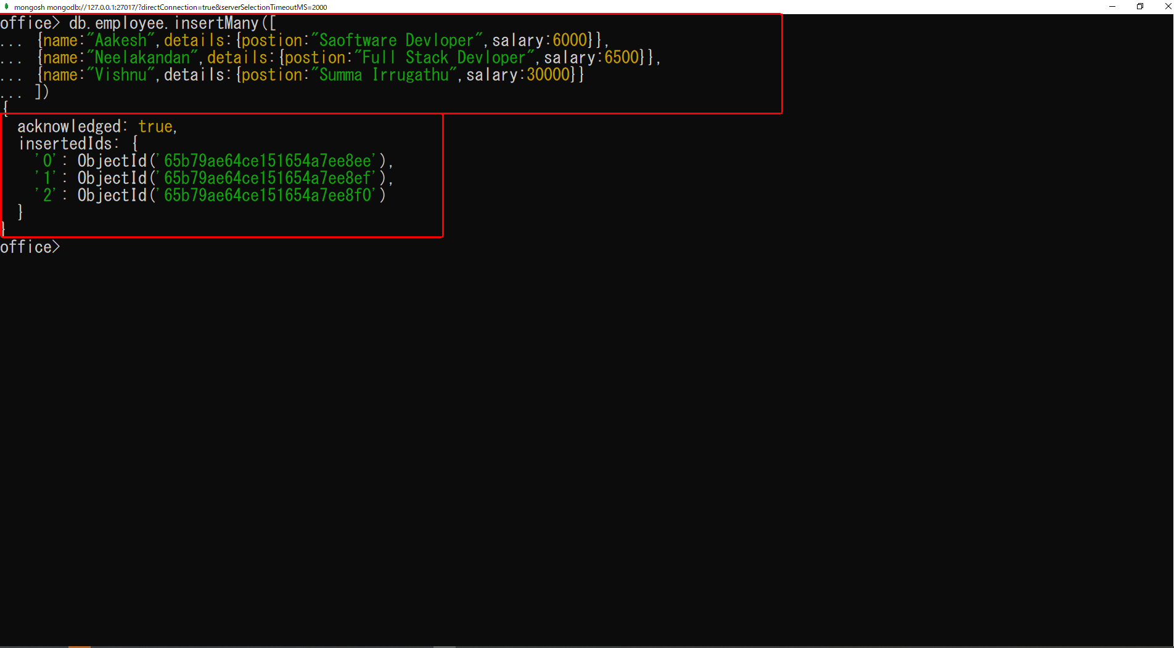
 |  |  |  | ... ]) | press Enter

 |  |  |  | {
 |  |  |  | acknowledged: true,
 |  |  |  | insertedIds: {
 |  |  |  | '0': ObjectId('65b79ae64ce151654a7ee8ee'),
 |  |  |  | '1': ObjectId('65b79ae64ce151654a7ee8ef'),
 |  |  |  | '2': ObjectId('65b79ae64ce151654a7ee8f0')
 |  |  |  | }
 |  |  |  | }

 |  |  |  | InsertedId it will be generated in default unique id for inserted 3 datas.

 | Read data:
 |  | db.employee.findOne()
 |  | db.employee.find()

 |  | db.employee.findOne()
 |  |  | It will retrive to single record in database.
 |  |  | It will be decalre as 2 types :
 |  |  |  | argument passing
 |  |  |  | non-argument passing

 |  |  | non-argument passing
 |  |  |  | db.employee.findOne()
 |  |  |  | It will retrive the Data for First insert data.
 |  |  |  | For Example:

 |  |  |  |  | It will be show on first inserted data to get and Show in terminal.

 |  |  | Argument passing
 |  |  |  | db.employee.findOne({name:"Neelakandan"})
 |  |  |  | For Example:

 |  | db.employee.find()
 |  |  | It will retrive to more record in database.
 |  |  | It will be decalre as 2 types :
 |  |  |  | Argument passing
 |  |  |  | Non-Argument passing

 |  |  | Non-Argument passing
 |  |  |  | db.employee.find()
 |  |  |  | It will be retrive to all records from the DataBase,.
 |  |  |  | For Example:
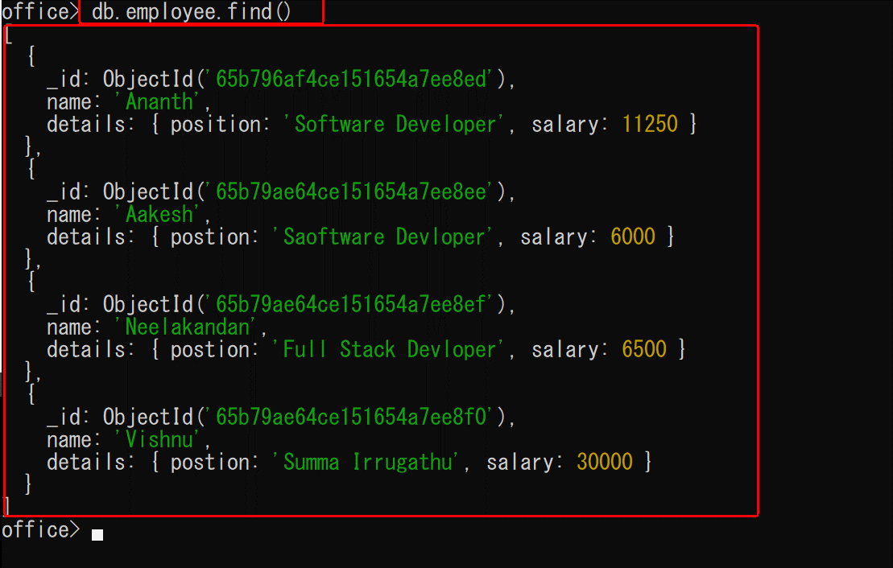

 |  |  |  |  | This commend will be retrive all the recods from the database.

 |  |  | Non-Argument passing
 |  |  |  | db.employee.find({"details.position":"Software Developer"})
 |  |  |  | It will be retrive to matches all records from the DataBase.
 |  |  |  | For Example:
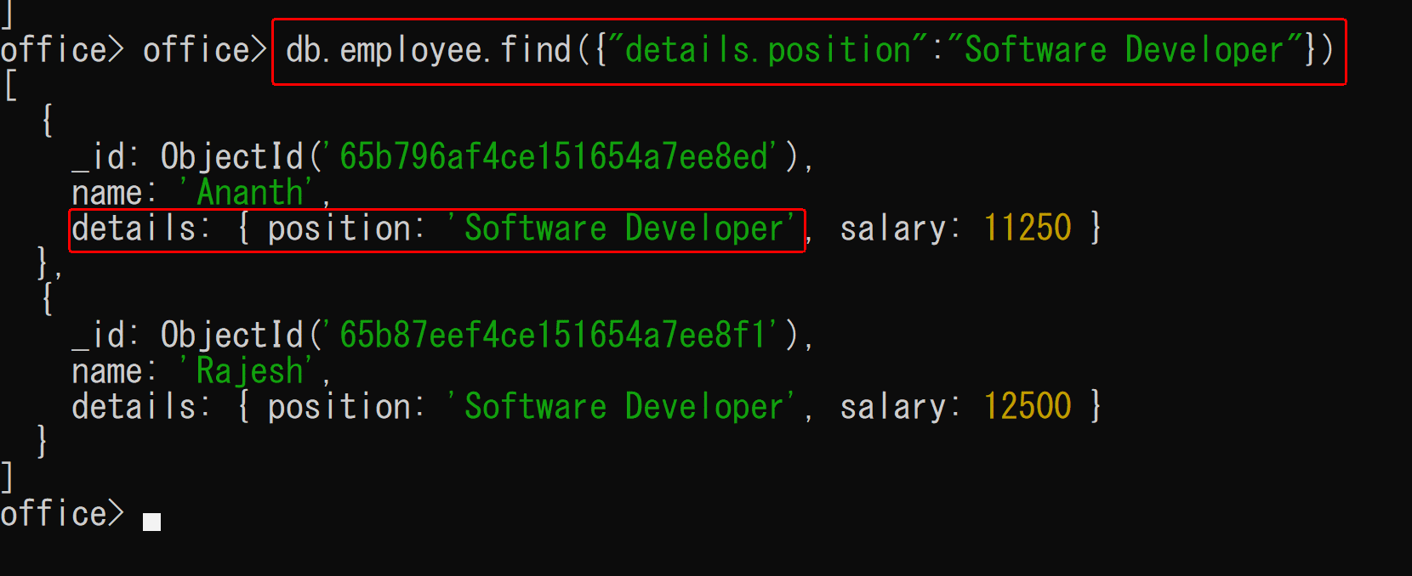

 | Update data:
 |  | db.employee.updateOne()
 |  | db.employee.updateMany()

 |  | db.employee.updateOne()
 |  |  | It Must be contain $set Keyword.
 |  |  | It will update in single collection data.
 |  |  | It must consider to arguments if , doesnot pass any arguments it will be through on error.
 |  |  | For Exmaple :

 |  |  | Syntex For this
 |  |  |  | db.collectionName.updateOne({fillterArgumet},{$set:{collection Name : Collection Value}})

 |  |  | For Example :
 |  |  |  | Before Update Data :
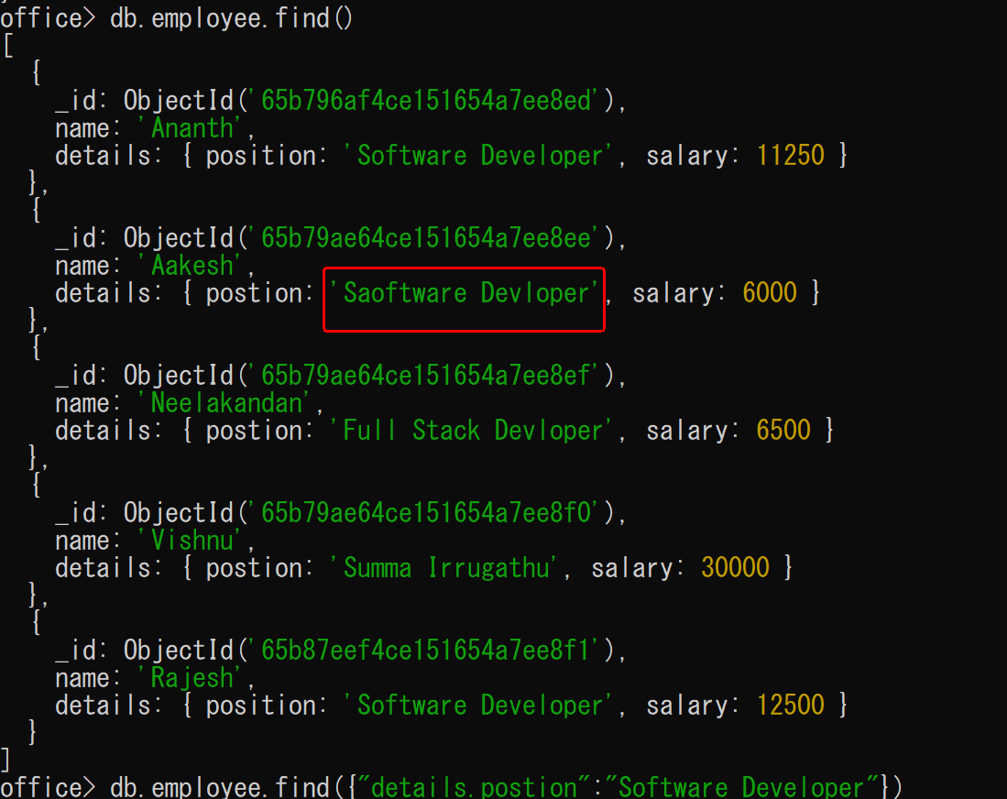

 |  |  |  |  | {
 |  |  |  |  | acknowledged: true,
 |  |  |  |  | insertedId: null,
 |  |  |  |  | matchedCount: 1,
 |  |  |  |  | modifiedCount: 1,
 |  |  |  |  | upsertedCount: 0
 |  |  |  |  | }
 |  |  |  | acknowledged:
 |  |  |  |  | This is declare as Status.
 |  |  |  | insertedId
 |  |  |  |  | This is show on new record is updated id.
 |  |  |  | matchedCount:
 |  |  |  |  | This is declare as a count of data match this filter case.
 |  |  |  | modifiedCount:
 |  |  |  |  | This is show on updated collectioon count.

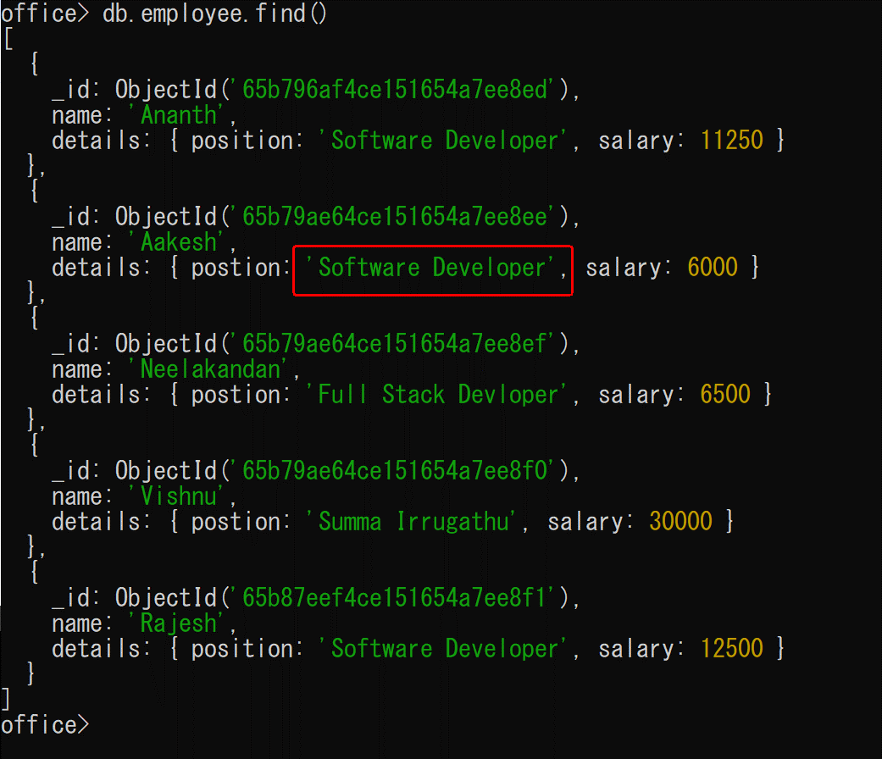
 |  |  |  | After Update

 |  | db.employee.updateMany()
 |  |  | It Must be contain $set Keyword.
 |  |  | it will update in multiple data for collection data.
 |  |  | It must consider to arguments if , doesnot pass any arguments it will be through on error.
 |  |  | It's Syntax is similar as updateOne() function.
 |  |  | For Exmaple :
 |  |  |  | db.collectionName.updateOne({fillterArgumet},{$set:{collection Name : Collection Value}})

 |  |  | Before Update :
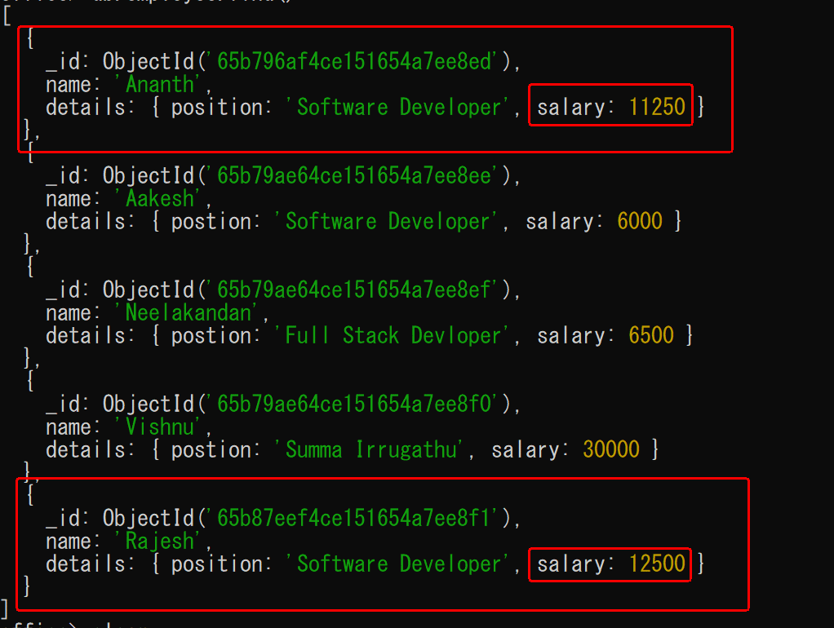

 |  |  | Update process

 |  |  | After Update :
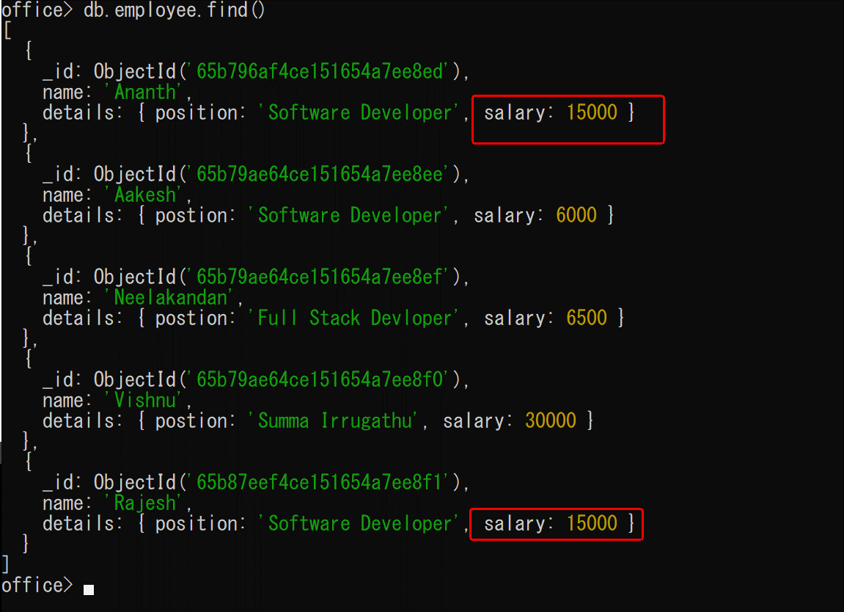

 | DELETE data:
 |  | It is also simailare as update Process, that will be contain to two types.
 |  |  | db.employee.deleteOne()
 |  |  | db.employee.deleteMany()

 |  | db.employee.deleteOne()
 |  |  | In this method is used for delete single record for your database collection.
 |  |  | If you can delete multiple records using the deleteOne method, it will delete the first record for that collection.
 |  |  | Syntex:
 |  |  |  | database.collection.deleteOne({"argumentName":"argumentValue"})
 |  |  | For Example:
 |  |  |  | db.employee.deleteOne({name:"Aakesh"})
 |  |  | Before Data for delete process :
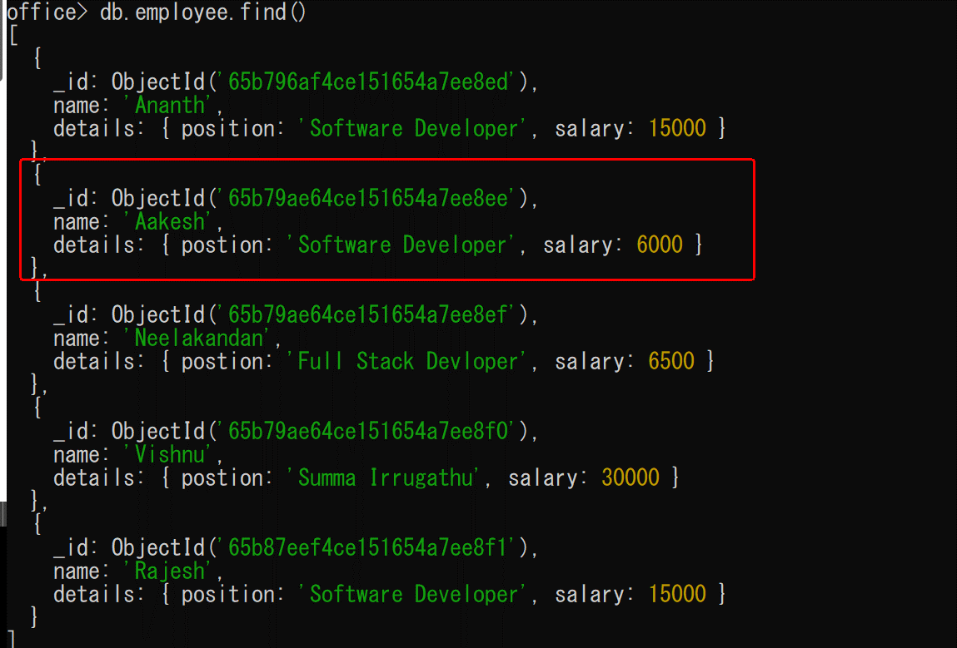

 |  |  | Delete Process :

 |  |  | After Data for Delete process :
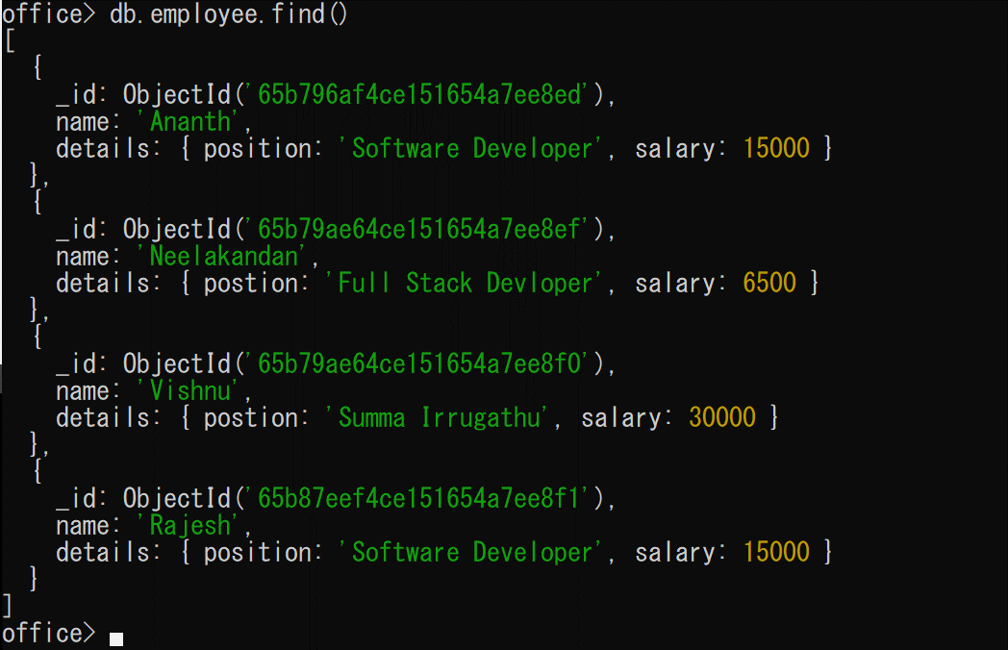

 |  | db.employee.deleteMany()
 |  |  | The deleteMany() method is used to delete one or more records in a file.
 |  |  | Syntex:
 |  |  |  | database.collection.deleteMany({argumentName:"argumentValue"})
 |  |  | For Example:
 |  |  |  | db.employee.deleteMany({"details.position":"Software Developer"})
 |  |  | Before Data for delete process :
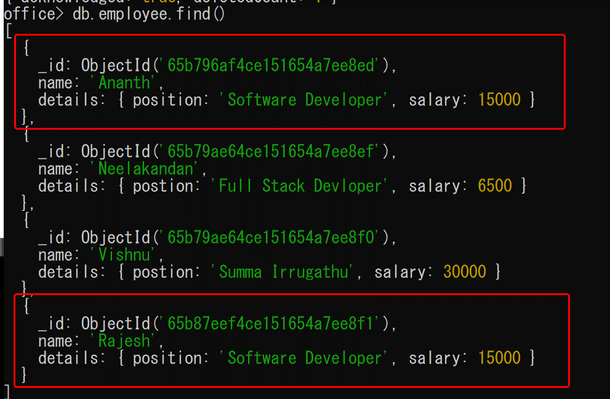

 |  |  | Delete Process :

 |  |  | After Data for Delete process :

Work to MongoDB Compass
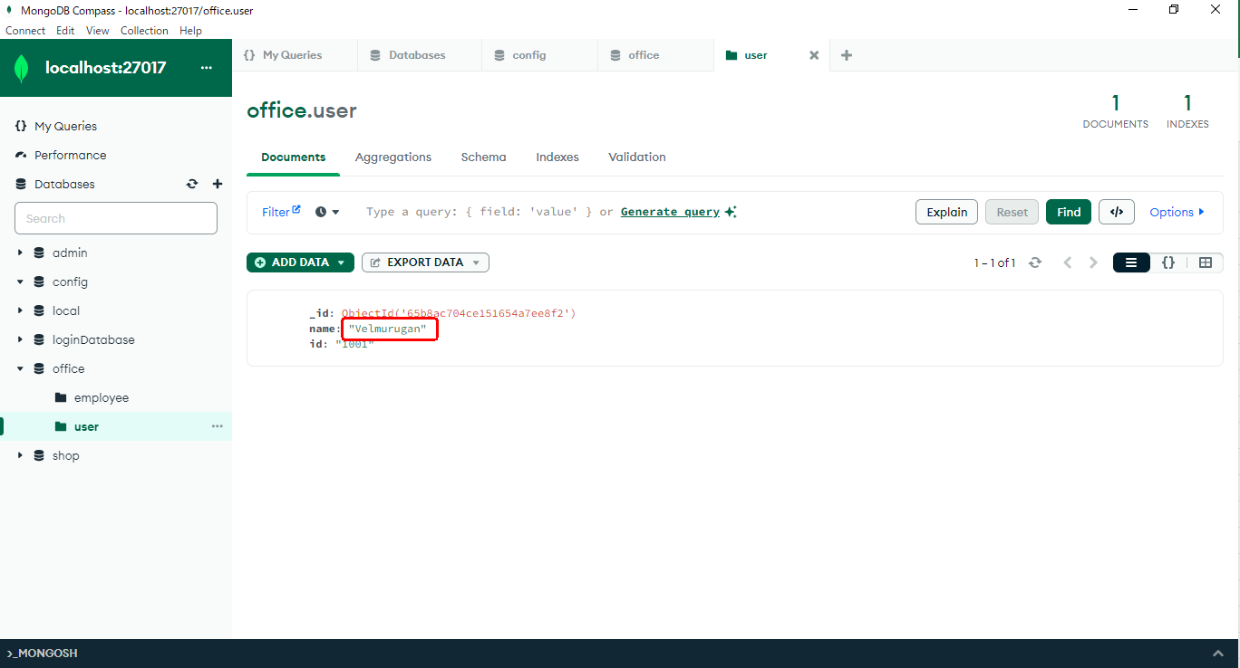
Work to MongoDB Compass
 | MongoDB compass is Install as user inststalation process.

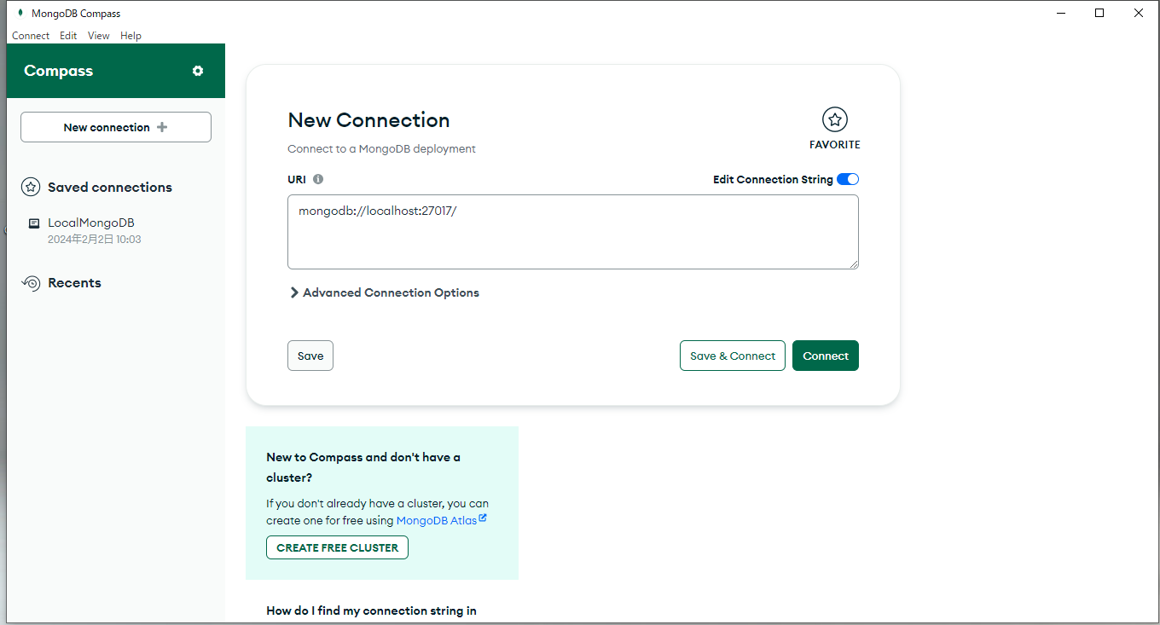
 | Step 1 : | The User interface is

 | Step 2 : | You can see the image below after clicking the connect button
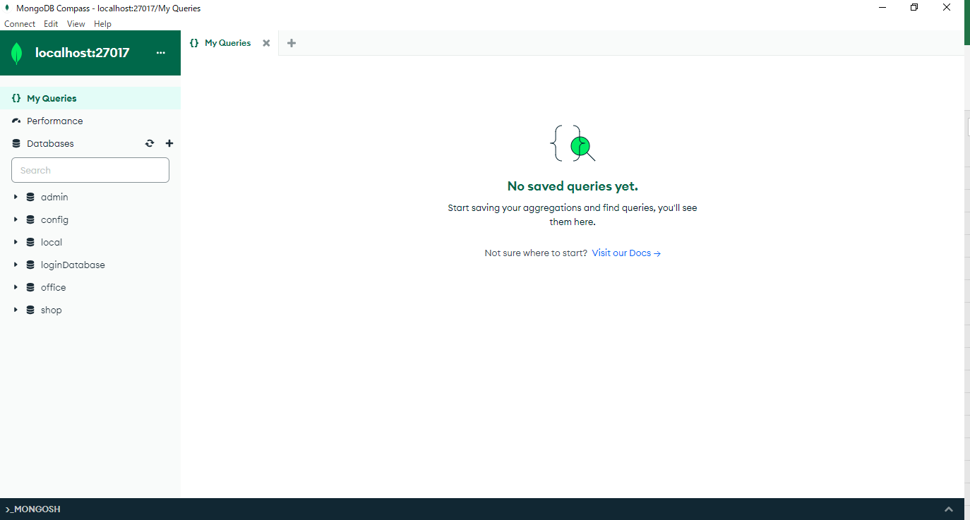

 | You can view the details of a database by double-clicking on the database.
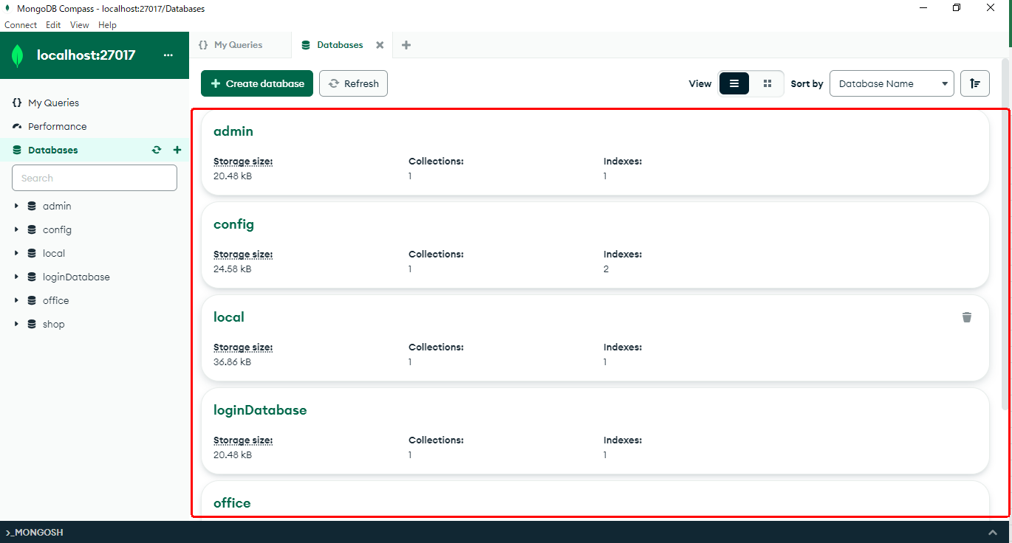

 | You can view the table details of a database by double-clicking on the any collection.
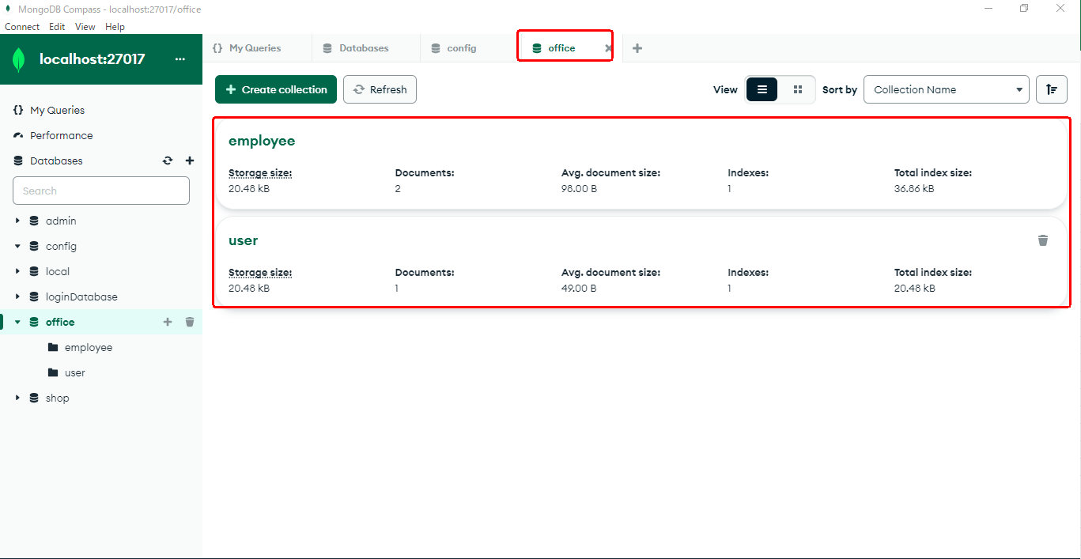

 | Click to Table You can seen to variables for table list.

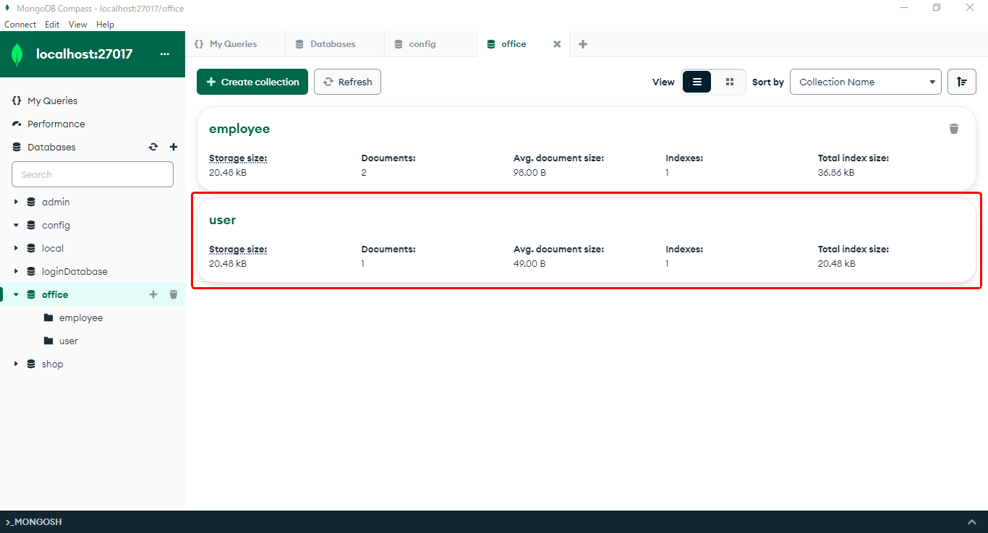
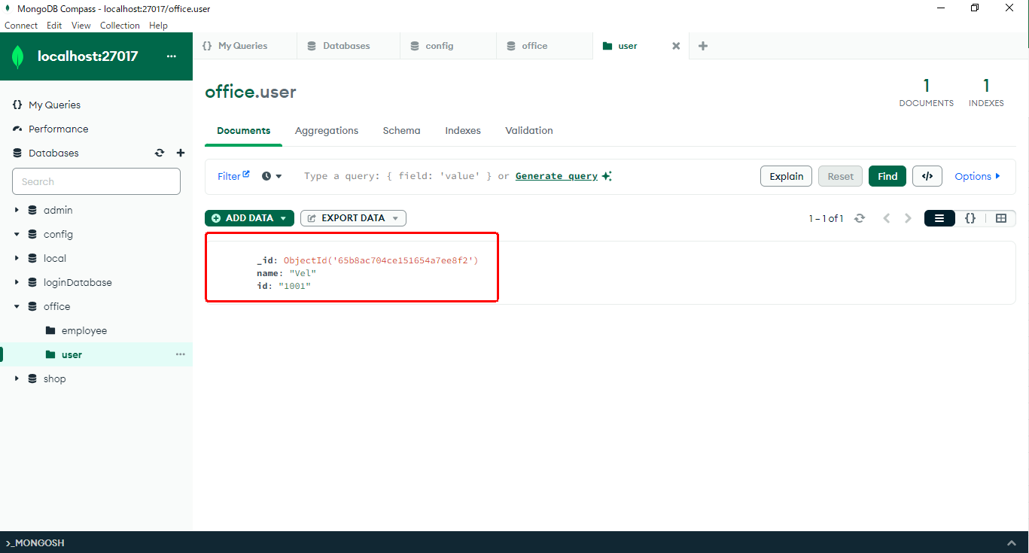

 |  |  |  |  |  | →

 |  | More then option available for mongoDB Data Change

 |  |  | Click to Edit Option And Change Name in Velmurugan

 |  |  |  |  | ↓

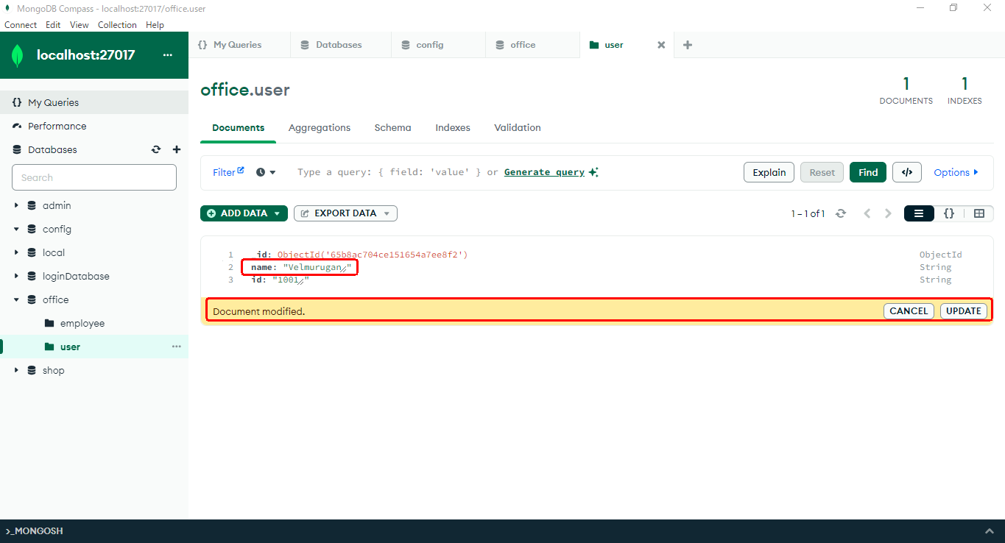

 |  |  |  | Click Update To See to modified data
 |  |  |  |  | ↓

